summary
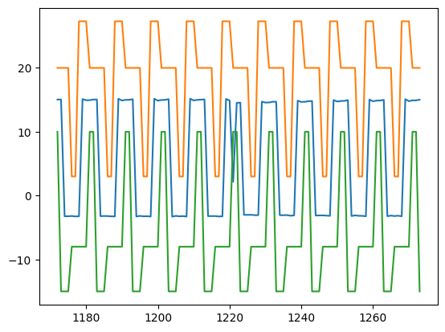
SignalDetect | Glitches Detected | RowDetected
DUT6_Gate_B_Signal | Yes | [123, 124]

